Electricity GR
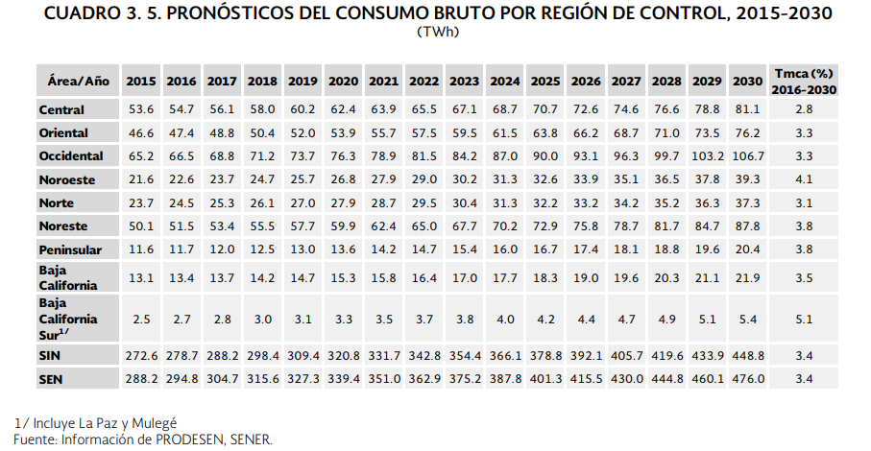
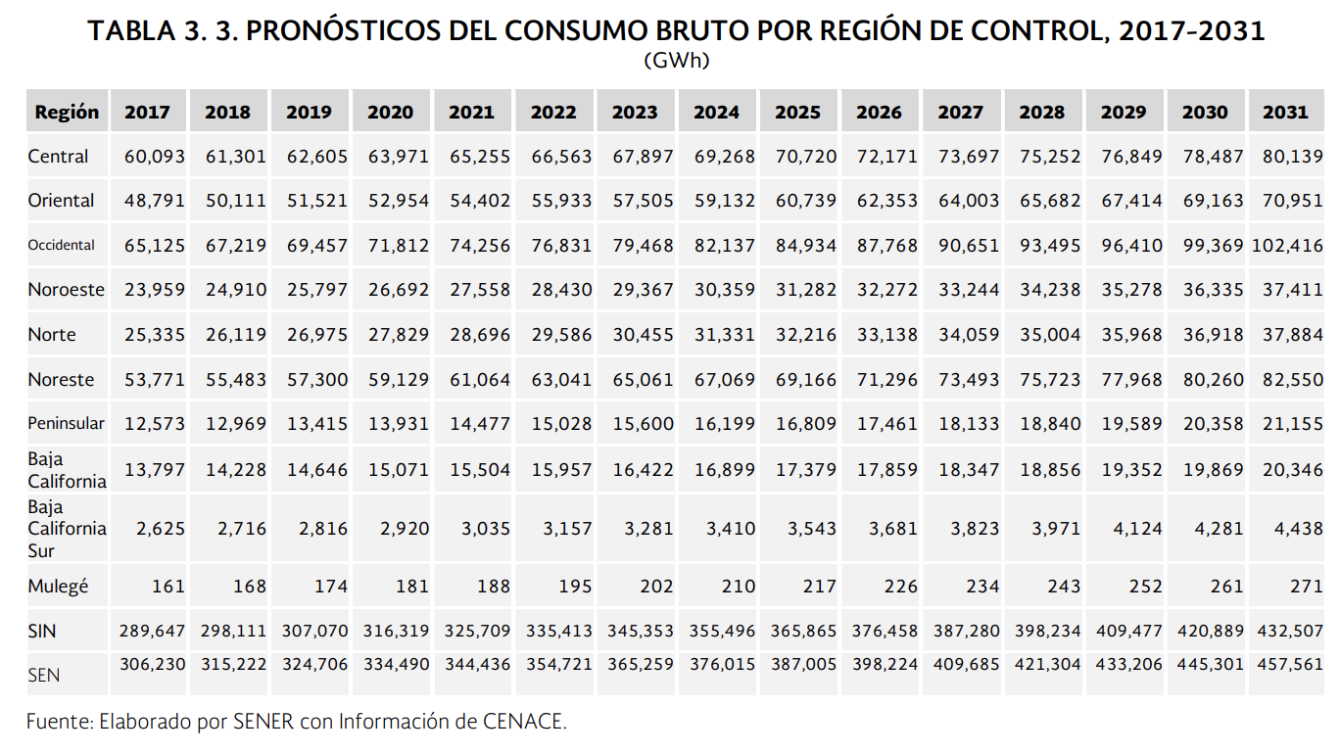

Fuel | 2016 | 2017 | 2018 | 2019 | 2020 | 2021 | 2022 | 2023 | 2024 | 2025 | 2026 | 2027 | 2028 | 2029 | 2030 | 2031
Electricity | 294,800 | 306,230 | 315,222 | 324,706 | 334,490 | 344,436 | 354,721 | 365,259 | 376,015 | 387,005 | 398,224 | 409,685 | 421,304 | 433,206 | 445,301 | 457,561
Growth rate | 1 | 1.039 | 1.069 | 1.101 | 1.135 | 1.168 | 1.203 | 1.239 | 1.275 | 1.313 | 1.351 | 1.390 | 1.429 | 1.469 | 1.511 | 1.552

https://www.gob.mx/cms/uploads/attachment/file/284345/Prospectiva_del_Sector_El_ctrico_2017.pdf
https://www.gob.mx/cms/uploads/attachment/file/177626/Prospectiva_del_Sector_El_ctrico_2016-2030.pdf

NG & Biomass GR
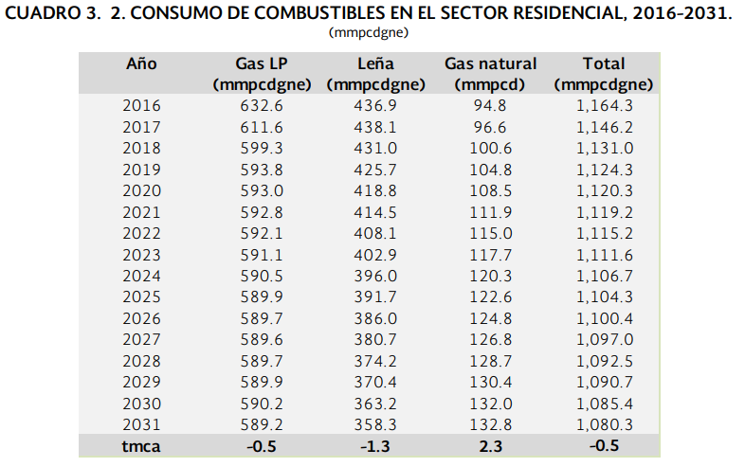

https://www.gob.mx/cms/uploads/attachment/file/325639/Prospectiva_de_Gas_Natural_2017-2031.pdf

 |  | 2016 | 2017 | 2018 | 2019 | 2020 | 2021 | 2022 | 2023 | 2024 | 2025 | 2026 | 2027 | 2028 | 2029 | 2030 | 2031
 | Natural gas | 727.4 | 708.2 | 699.9 | 698.6 | 701.5 | 704.7 | 707.1 | 708.8 | 710.8 | 712.5 | 714.5 | 716.4 | 718.4 | 720.3 | 722.2 | 722
 | Growth rate | 1 | 0.97360461919 | 0.96219411603 | 0.96040692879 | 0.9643937311 | 0.96879296123 | 0.97209238383 | 0.97442947484 | 0.97717899368 | 0.97951608469 | 0.98226560352 | 0.98487764641 | 0.98762716525 | 0.99023920814 | 0.99285125103 | 0.99257629915
 | Biomass | 436.9 | 438.1 | 431 | 425.7 | 418.8 | 414.5 | 408.1 | 402.9 | 396 | 391.7 | 386 | 380.7 | 374.2 | 370.4 | 363.2 | 358.3
 | Growth rate | 1 | 1.0027466239 | 0.98649576562 | 0.97436484321 | 0.95857175555 | 0.94872968643 | 0.93408102541 | 0.92217898833 | 0.90638590066 | 0.89654383154 | 0.88349736782 | 0.87136644541 | 0.85648889906 | 0.84779125658 | 0.83131151293 | 0.82009613184

 |  | Año | Gas LP | Leña | Gas natural | Total
 |  | (mmpcdgne) | (mmpcdgne) | (mmpcd) | (mmpcdgne) |  |  | Año | 2016 | 2017 | 2018 | 2019 | 2020 | 2021 | 2022 | 2023 | 2024 | 2025 | 2026 | 2027 | 2028 | 2029 | 2030 | 2031 | tca
 |  | 2016 | 632.6 | 436.9 | 94.8 | 1,164.30 |  | Gas LP | 632.6 | 611.6 | 599.3 | 593.8 | 593 | 592.8 | 592.1 | 591.1 | 590.5 | 589.9 | 589.7 | 589.6 | 589.7 | 589.9 | 590.2 | 589.2 | -0.5
 |  | 2017 | 611.6 | 438.1 | 96.6 | 1,146.20 |  | Leña | 436.9 | 438.1 | 431 | 425.7 | 418.8 | 414.5 | 408.1 | 402.9 | 396 | 391.7 | 386 | 380.7 | 374.2 | 370.4 | 363.2 | 358.3 | -1.3
 |  | 2018 | 599.3 | 431 | 100.6 | 1,131.00 |  | Gas natural | 94.8 | 96.6 | 100.6 | 104.8 | 108.5 | 111.9 | 115 | 117.7 | 120.3 | 122.6 | 124.8 | 126.8 | 128.7 | 130.4 | 132 | 132.8 | 2.3
 |  | 2019 | 593.8 | 425.7 | 104.8 | 1,124.30 |  | Total | 1164.3 | 1146.2 | 1131 | 1124.3 | 1120.3 | 1119.2 | 1115.2 | 1111.6 | 1106.7 | 1104.3 | 1100.4 | 1097 | 1092.5 | 1090.7 | 1085.4 | 1080.3 | -0.5
 |  | 2020 | 593 | 418.8 | 108.5 | 1,120.30
 |  | 2021 | 592.8 | 414.5 | 111.9 | 1,119.20
 |  | 2022 | 592.1 | 408.1 | 115 | 1,115.20
 |  | 2023 | 591.1 | 402.9 | 117.7 | 1,111.60
 |  | 2024 | 590.5 | 396 | 120.3 | 1,106.70
 |  | 2025 | 589.9 | 391.7 | 122.6 | 1,104.30
 |  | 2026 | 589.7 | 386 | 124.8 | 1,100.40
 |  | 2027 | 589.6 | 380.7 | 126.8 | 1,097.00
 |  | 2028 | 589.7 | 374.2 | 128.7 | 1,092.50
 |  | 2029 | 589.9 | 370.4 | 130.4 | 1,090.70
 |  | 2030 | 590.2 | 363.2 | 132 | 1,085.40
 |  | 2031 | 589.2 | 358.3 | 132.8 | 1,080.30
 |  | tmca | -0.5 | -1.3 | 2.3 | -0.5

Diesel GR
Sistema de Información Energética
Secretaría de Energía
Dirección General de Planeación e Información Energéticas
Balance Nacional de Energía: Consumo de energía en los sectores residencial, comercial y público
(petajoules)

 | REALES
 | 2000 | 2001 | 2002 | 2003 | 2004 | 2005 | 2006 | 2007 | 2008 | 2009 | 2010 | 2011 | 2012 | 2013 | 2014 | 2015 | 2016

Total sector residencial, comercial y público | 867.693148 | 853.786177 | 863.362628 | 873.997559 | 880.416107 | 873.271413 | 880.799445 | 911.458435 | 914.534453 | 910.416752 | 918.664056 | 922.306551 | 920.978139 | 909.560777 | 938.526764 | 952.0584 | 959.577558

Total petrolíferos | 359.881708 | 351.378543 | 354.529902 | 356.991429 | 358.986024 | 339.360565 | 339.966219 | 368.464851 | 364.471384 | 350.21514 | 360.375418 | 350.374138 | 344.942319 | 327.736013 | 326.801585 | 324.353031 | 316.646525
Gas licuado | 356.041192 | 347.585712 | 350.802393 | 353.462809 | 355.183222 | 335.530893 | 335.263987 | 363.571757 | 360.094698 | 346.042669 | 355.475914 | 344.90869 | 339.495755 | 321.988762 | 320.424473 | 316.559742 | 312.755846
Querosenos | 1.359 | 1.588 | 1.595 | 1.245239 | 1.426884 | 1.476697 | 1.848997 | 1.756476 | 0.831527 | 0.838832 | 1.177523 | 1.286764 | 1.206151 | 1.351008 | 1.914157 | 2.569817 | 1.924989
Diesel | 2.481516 | 2.204831 | 2.132509 | 2.283381 | 2.375918 | 2.352975 | 2.853235 | 3.136618 | 3.545159 | 3.333639 | 3.721981 | 4.178684 | 4.240413 | 4.396243 | 4.462955 | 5.223472 | 1.96569
Gas seco | 27.830624 | 29.916064 | 32.816325 | 35.227454 | 35.822898 | 42.062 | 42.533 | 39.144 | 39.147 | 41.385 | 41.368 | 40.826 | 42.345 | 44.9 | 52.991 | 50.775 | 51.834

Residencial | 731.17031 | 715.910124 | 719.802881 | 731.713834 | 738.86156 | 731.208671 | 733.415569 | 761.138892 | 763.515818 | 757.471987 | 765.28731 | 763.382413 | 757.892097 | 742.709449 | 754.14429 | 755.274026 | 756.612625
Total de petrolíferos | 294.134441 | 286.902548 | 286.737557 | 290.960993 | 294.60889 | 276.464601 | 274.133706 | 300.58197 | 298.811115 | 285.402876 | 293.705385 | 281.870622 | 275.582669 | 258.308876 | 259.020896 | 255.964097 | 249.469311
Gas licuado | 292.775441 | 285.314548 | 285.142557 | 289.715754 | 293.182006 | 274.987904 | 272.284709 | 298.825494 | 297.979588 | 284.564044 | 292.527862 | 280.583858 | 274.376518 | 256.957868 | 257.106739 | 253.39428 | 247.544322
Querosenos | 1.359 | 1.588 | 1.595 | 1.245239 | 1.426884 | 1.476697 | 1.848997 | 1.756476 | 0.831527 | 0.838832 | 1.177523 | 1.286764 | 1.206151 | 1.351008 | 1.914157 | 2.569817 | 1.924989
Gas seco | 20.975358 | 22.647479 | 24.944043 | 28.651659 | 29.212512 | 34.006 | 33.351 | 30.735 | 30.35 | 31.942 | 31.563 | 31.189 | 32.06 | 33.803 | 39.858 | 37.431 | 37.45

Comercial | 115.379838 | 116.373053 | 121.754747 | 120.147325 | 118.917747 | 118.842742 | 123.638276 | 125.807143 | 125.552235 | 124.853965 | 125.573946 | 129.803738 | 132.889242 | 133.42439 | 151.987894 | 164.417455 | 171.744774
Total de petrolíferos | 65.747267 | 64.475995 | 67.792345 | 66.030436 | 64.377134 | 62.895964 | 65.832513 | 67.882881 | 65.660269 | 64.812264 | 66.670033 | 68.503516 | 69.35965 | 69.427137 | 67.780689 | 68.388934 | 67.177214
Gas licuado | 63.265751 | 62.271164 | 65.659836 | 63.747055 | 62.001216 | 60.542989 | 62.979278 | 64.746263 | 62.11511 | 61.478625 | 62.948052 | 64.324832 | 65.119237 | 65.030894 | 63.317734 | 63.165462 | 65.211524
Diesel | 2.481516 | 2.204831 | 2.132509 | 2.283381 | 2.375918 | 2.352975 | 2.853235 | 3.136618 | 3.545159 | 3.333639 | 3.721981 | 4.178684 | 4.240413 | 4.396243 | 4.462955 | 5.223472 | 1.96569
Gas seco | 6.855266 | 7.268585 | 7.872282 | 6.575795 | 6.610386 | 8.056 | 9.182 | 8.409 | 8.797 | 9.443 | 9.805 | 9.637 | 10.285 | 11.097 | 13.133 | 13.344 | 14.384

Fuente: Sistema de Información Energética, SENER.
 |  |  |  |  |  |  |  |  |  |  |  |  |  |  |  |  |  | TMCA
 | 2000 | 2001 | 2002 | 2003 | 2004 | 2005 | 2006 | 2007 | 2008 | 2009 | 2010 | 2011 | 2012 | 2013 | 2014 | 2015 | 2016 | 2008-2015 | 2009-2016 | 2009-2014 | 2001-2014
Querosenos | 1.359 | 1.588 | 1.595 | 1.245239 | 1.426884 | 1.476697 | 1.848997 | 1.756476 | 0.831527 | 0.838832 | 1.177523 | 1.286764 | 1.206151 | 1.351008 | 1.914157 | 2.569817 | 1.924989 | 17.49% | 12.60% | 17.9% | 1.4%
Diesel | 2.481516 | 2.204831 | 2.132509 | 2.283381 | 2.375918 | 2.352975 | 2.853235 | 3.136618 | 3.545159 | 3.333639 | 3.721981 | 4.178684 | 4.240413 | 4.396243 | 4.462955 | 5.223472 | 1.96569 | 5.69% | -7.27% | 6.0% | 5.6%

SUMA | 3.840516 | 3.792831 | 3.727509 | 3.52862 | 3.802802 | 3.829672 | 4.702232 | 4.893094 | 4.376686 | 4.172471 | 4.899504 | 5.465448 | 5.446564 | 5.747251 | 6.377112 | 7.793289 | 3.890679 | 8.59% | -0.99% | 8.9% | 4.1%

 | Querosenos | Diesel
2000 | 1.359 | 2.481516
2001 | 1.588 | 2.204831
2002 | 1.595 | 2.132509
2003 | 1.245239 | 2.283381
2004 | 1.426884 | 2.375918
2005 | 1.476697 | 2.352975
2006 | 1.848997 | 2.853235
2007 | 1.756476 | 3.136618
2008 | 0.831527 | 3.545159
2009 | 0.838832 | 3.333639
2010 | 1.177523 | 3.721981
2011 | 1.286764 | 4.178684
2012 | 1.206151 | 4.240413
2013 | 1.351008 | 4.396243
2014 | 1.914157 | 4.462955
2015 | 2.569817 | 5.223472
2016 | 1.924989 | 1.96569

Heat GR
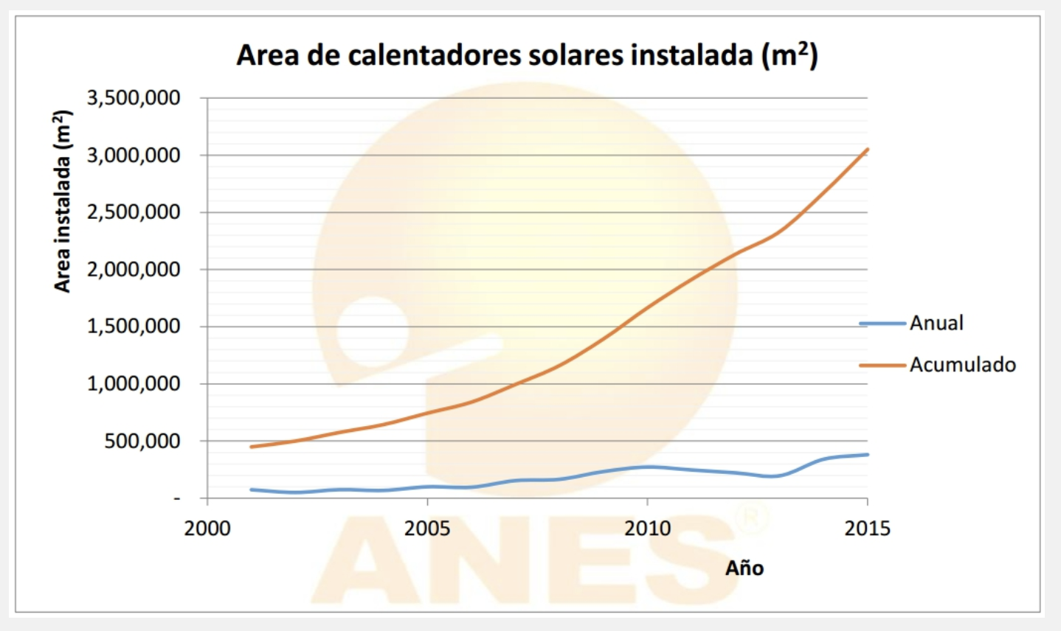
CALENTADORES SOLARES
http://www.anes.org/cms/balance_energia.php
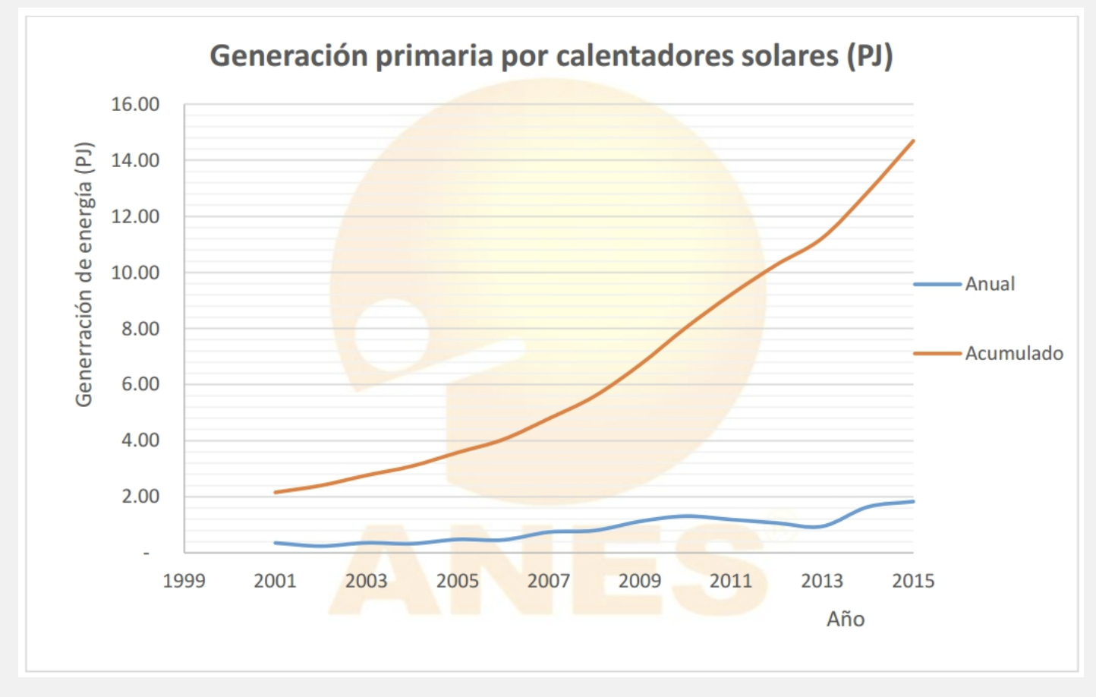
 | Año | Superficie instalada | TACC
 | 2015 | 14.80 | 14.6%
 | 2001 | 2.20

 | Año | Superficie instalada | TACC
 | 2015 | 3.00E+06 | 13.7%
 | 2001 | 5.00E+05

